E54_hpwh
Nestle Cagayan de Oro Factory | Safety Upgrade - Punchlist closure by Michrom |  |  |  |  |  |  |  | CDOF-CP-F-XX-XXX
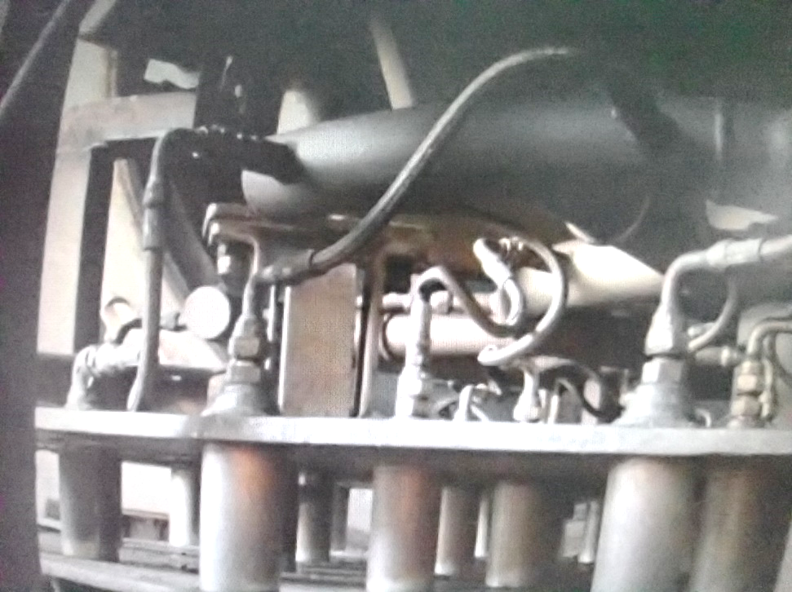

1
Provide adequate teflon

2
Check for persistent leak
1
Provide adequate teflon

Check for persistent leak
2

Requirement | 1 | 2 | 3 | 4 | 5 | 6 | 7 | 8 | 9 | REMARKS
Provide adequate amount of teflon.
No visible leaks flexible joint hose

NOTES:
Performed By: |  |  | Assessed and Validated By: |  |  |  |  | Noted By:

COSTPLUS Representative |  |  | TBMC Site Engineer |  |  |  |  | NPI Project Engineer

